IndiaCalcs- Web Guidance
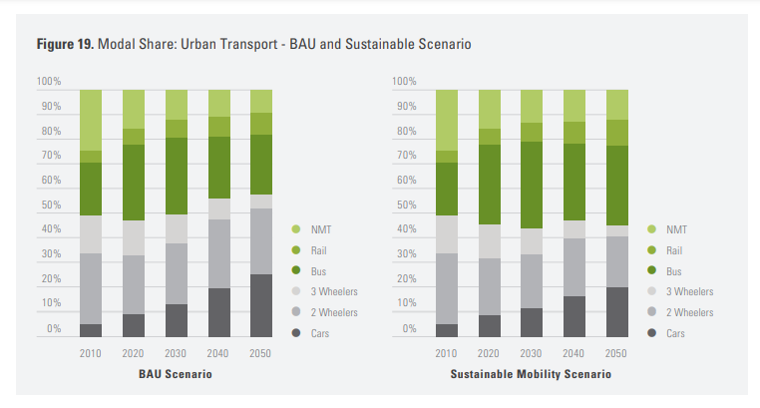
Passenger Private Transport |  | Mode shares in 2050
 |  | BAU | Sustainable Scenario | change | shift-to | shift-from | ratios of target modes
 | Cars | 25 | 19 | -6 |  | -13
 | 2ws | 27 | 21 | -6
 | 3ws | 6 | 5 | -1
 | bus | 24 | 32 | 8 | 13 |  | 0.6
 | rail | 9 | 11 | 2 |  |  | 0.2
 | nmt | 9 | 12 | 3 |  |  | 0.2
 |  | 100 | 100

 |  |  |  |  |  |  |  | Source: | https://orbit.dtu.dk/files/120569095/Transport_Scenarios_for_India.pdf

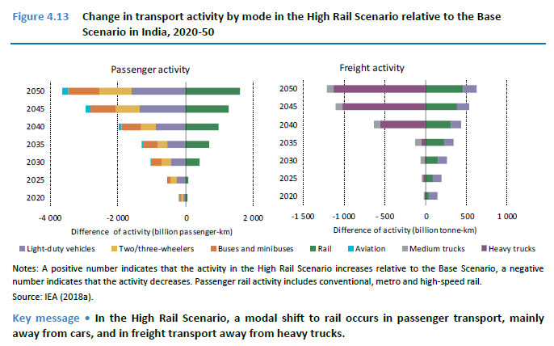
Freight HDVs

"In the High Rail Scenario, a modal shift to
rail occurs.. in freight transport (mainly) away
from heavy trucks"

 |  |  | Source: | https://www.iea.org/reports/the-future-of-rail

